Contents
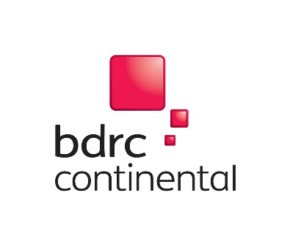 |  | BCA Quality metrics GB master data tables - Publication date: 15th August 2018 TABLE OF CONTENTS TOTAL SURVEYED 10840 Approximately 1200 per brand

Table `number | Question | Question label | Base text
Table 1 | Q10 | Overall service quality - recommendation ranking
Table 2 | Q11 | Relationship / account management - recommendation ranking
Table 3 | Q12 | Online and mobile banking - recommendation ranking
Table 4 | Q13 | Service in branches and business centres - recommendation ranking
Table 5 | Q16 | SME overdraft and loan services - recommendation ranking
Table 6 | Q10 | Overall service quality - all eligible scores | All except DK
Table 7 | Q11 | Relationship / account management - all eligible scores | All except DK/No experience
Table 8 | Q12 | Online and mobile banking - all eligible scores | All except DK/No experience
Table 9 | Q13 | Service in branches and business centres - all eligible scores | All except DK/No experience
Table 10 | Q16 | SME overdraft and loan services - all eligible scores | All except DK/No experience

